Sheet1
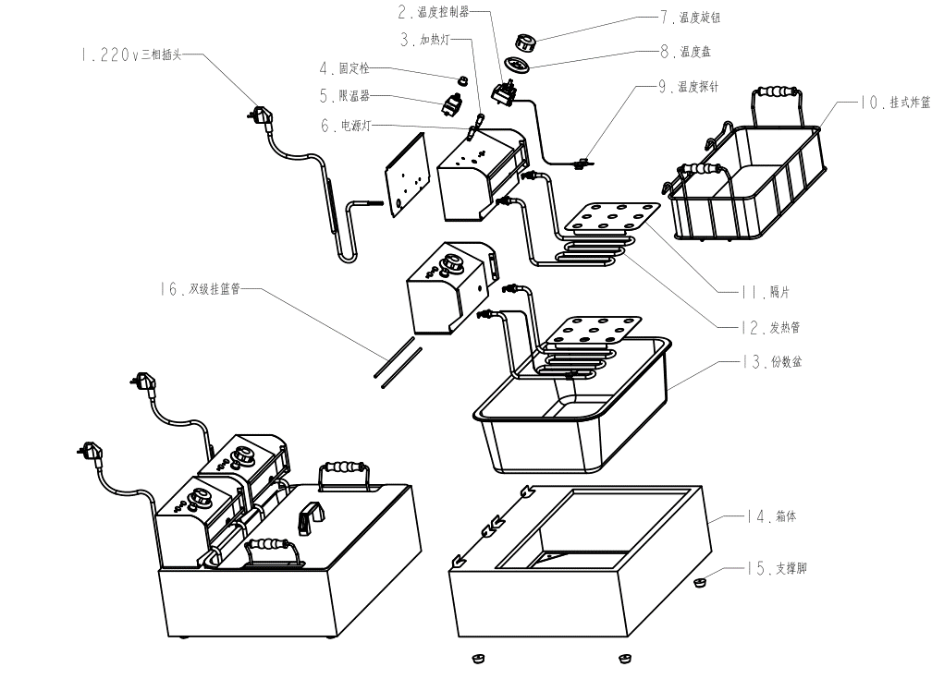

Item No. | Description
1 | Pluse
2 | Temperature Controller
3 | Heating Light
5 | Temperature Limitor
6 | Working Light
7 | Temperature knob
8 | Temperature Display Plate
9 | Temperature Niddle
10 | Fryer Basket
11 | S/S drianer
12 | Heating Tube
13 | Oil Tank
14 | Deep Fryer Frame
15 | Pad

